Sheet1
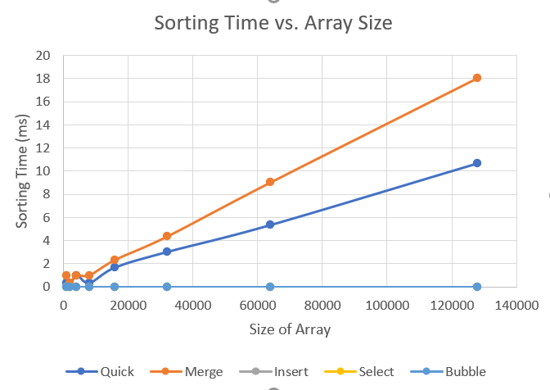
 | Trial 1 |  |  |  |  | Trial 2 |  |  |  |  | Trial 3
Size | Quick | Merge | Insert | Select | Bubble | Quick | Merge | Insert | Select | Bubble | Quick | Merge | Insert | Select | Bubble
1000 | 1 | 1 | 3 | 6 | 8 | 0 | 1 | 2 | 4 | 8 | 0 | 1 | 4 | 6 | 9
2000 | 0 | 0 | 1 | 1 | 5 | 0 | 0 | 1 | 1 | 3 | 0 | 1 | 2 | 2 | 4
4000 | 1 | 1 | 16 | 10 | 8 | 1 | 1 | 2 | 13 | 9 | 1 | 1 | 13 | 14 | 11
8000 | 0 | 1 | 5 | 16 | 47 | 1 | 1 | 6 | 17 | 52 | 0 | 1 | 5 | 16 | 56
16000 | 2 | 2 | 22 | 65 | 246 | 2 | 2 | 23 | 65 | 221 | 1 | 3 | 25 | 92 | 253
32000 | 3 | 4 | 89 | 258 | 1091 | 3 | 4 | 83 | 255 | 1101 | 3 | 5 | 85 | 253 | 1080
64000 | 5 | 9 | 363 | 1018 | 4516 | 5 | 9 | 365 | 1132 | 4671 | 6 | 9 | 357 | 1020 | 4751
128000 | 11 | 18 | 1367 | 3994 | 18309 | 10 | 17 | 1556 | 4252 | 20686 | 11 | 19 | 1371 | 4194 | 18194
Sorting Time vs. Array Size

 | Average
Size | Quick | Merge | Insert | Select | Bubble
1000 | 0.33333333333 | 1 | 3 | 5.3333333333 | 8.3333333333
2000 | 0 | 0.33333333333 | 1.3333333333 | 1.3333333333 | 4
4000 | 1 | 1 | 10.333333333 | 12.333333333 | 9.3333333333
8000 | 0.33333333333 | 1 | 5.3333333333 | 16.333333333 | 51.666666667
16000 | 1.6666666667 | 2.3333333333 | 23.333333333 | 74 | 240
32000 | 3 | 4.3333333333 | 85.666666667 | 255.33333333 | 1090.6666667
64000 | 5.3333333333 | 9 | 361.66666667 | 1056.6666667 | 4646
128000 | 10.666666667 | 18 | 1431.3333333 | 4146.6666667 | 19063

 | Hypothesis for Big-O Efficiency
 | Quick | Merge | Insert | Select | Bubble
e.g. O(n^2) | O(n log(n)) | O(n log(n)) | O(n^2) | O(n^2) | O(n^2)

Your Notes:
I believe quick and merge sort are both different from the others because on the graph above they almost look linear compared to the other three algorithms. I then "zoomed into" the graph by only displaying the values for quick and merge and saw how they looked upclose without much larger values in the other algorithms inflating the y-axis. The graphs look consistent with the shape of an nlong(n) time complexity graph(attached below). Moving on, since merge and quick sort are nlog(n) and the other 3 have a much steeper curve, then they have to be O(n^2) since that is the only other possible solution (given in the lab document)

